Datailed Inquiry Information
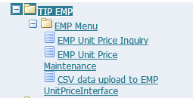
Detailed Inquiry Information

 | Activation of New EMP set up responsibility in OCA of MPD

 | Name: Alyanna Marie Calubayan
 | User ID: z6164tip

Helpdesk Request
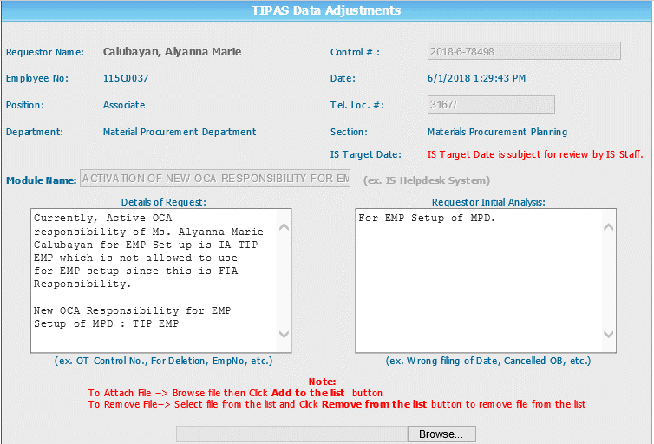
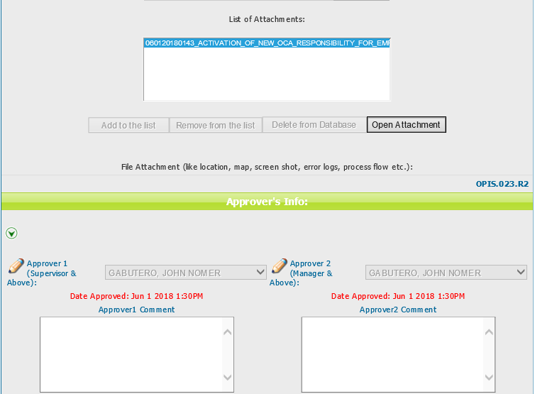
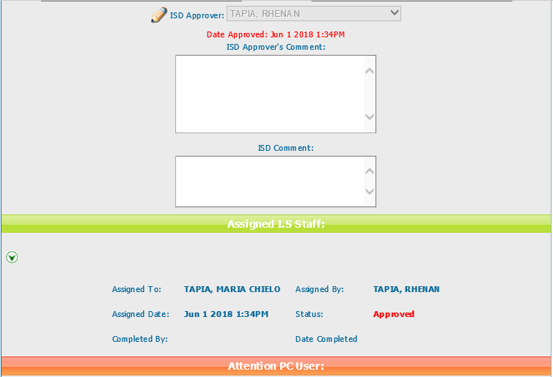
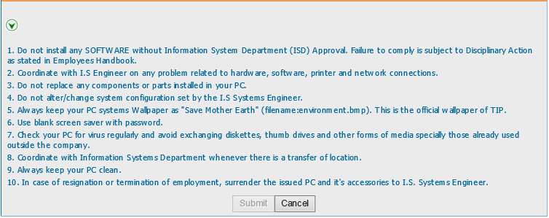
Helpdesk Request

 | ATTACH SCREENSHOT OF HELPDESK REQUEST.

